Instructions
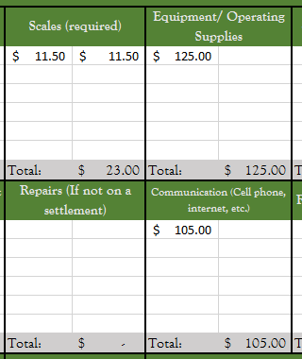
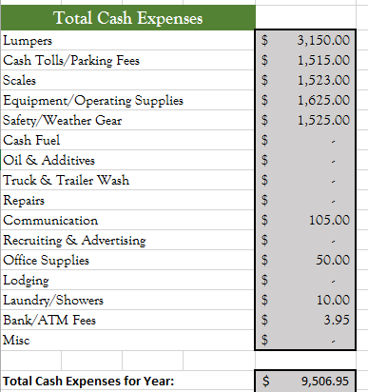
Driver Cash Expense Record
Excel Version
Thank you for downloading the Excel version of our Driver Cash Expense Record. This file is used to track your expenses for your business. We ask that you record your expenses in here and submit them to us monthly. You can do this by saving the file and attaching it to an email to: exprec@abacuscpas.com.
First, please fill out the personal information tab next to the instruction tab:
Just select the appropriate tab for the corresponding month at the bottom:
Fill in your receipt totals in the expense field, the total will be calculated automatically.
Don’t forget to fill in your total days on the road for the month anywhere in the Days Out column:
The summary sheet will automatically calculate the yearly totals for expenses and days out:
If you have any questions about claiming expenses or filling out the sheet feel free to call or email us.
Thank you,
Abacus CPAs

